SCH IR 6.2.2022 N2-12 ETG

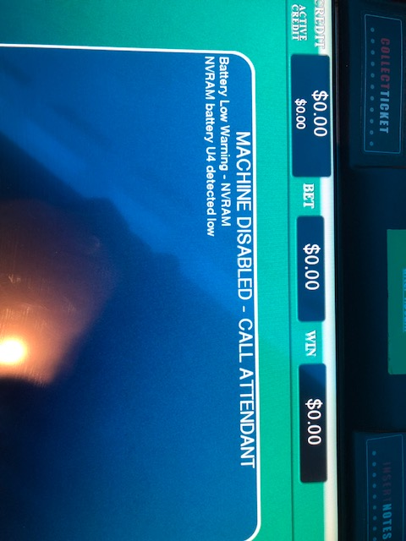
 |  |  | Incident Report Checklist

 |  |  | Facility Name: | Saratoga
 |  |  | Technician: | Ted Been
 |  |  | Manager/Supervisor: | Peter Russo
 |  |  | Date of Incident: | 2022-06-02
 |  |  | Start Time: | 23:00:00
 |  |  | End Date and Time: | 6/3/22

Type of Problem |  |  | ETG Related Issues

Description of Problem |  |  | Play Station Hardware

Device(s) Involved |  |  | N2-12 / Device 2140212

Brief Description of Incident
On 6/2/2022 At approximately 23:00 L&W techs Rick Romano and Ed Clement were called to the N2-03 ETG terminal for an unrecoverable "NVRAM battery U4 detected low" error. Battery replacement and a RAM Clear requiring a Break of Seal were needed to resolve. The device was placed out of service and a request to Break Seal was requested at 23:26. Pat Tsuei responded on 6/3/2022 at 9:41 " Approved when our reps are available". L&W tech Ted Been contacted NYSGC Rep John Lee after his arrival and the NVRam Battery was replaced on the IO board, a RAM Clear was done and the terminal was re-optioned. Playable and in service at 12:35. Total time down 9:35:00

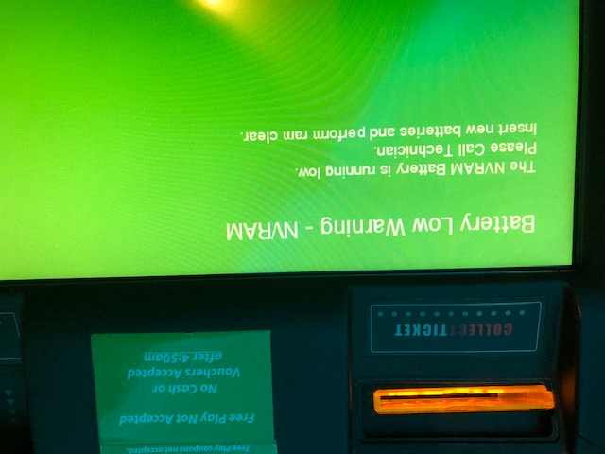

Additional Technician Comments

Additional Management Comments

Notification
Key Consideration | Question |  | Explanation/Comments/Notes
Type of Incident | What type of Incident has occurred? |  | Battery Low Warning.
Cause | What caused the incident? |  | Faulty U4 battery.
Effect | What effect did the incident have? |  | The device was not playable until the battery was replaced and the terminal was RAM Cleared
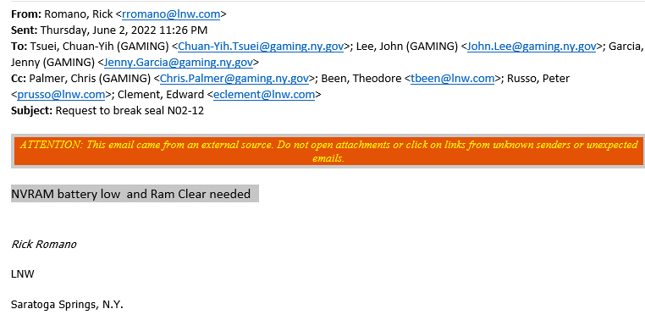
Lead | Did you notify Lead Technician on duty? Please list the Lead, and time notified. |  | Yes /Ted Been 6/2/2022, 23:26 via text
Supervisor | If no Lead Tech is on duty, please contact a Supervisor. List date and time. |  | Yes /Pete Russo 6/2/2022, 23:26 via text

Key Consideration | Question |  | Explanation/Comments/Notes
Machine Freeze | Did the issue require a reboot or a RAM clear to resolve? |  | Ram clear was required pending lottery approval.
Communications Error | Did the devices fail to connect to the server? |  | N/A
Tilts and/or Errors | Please list any errors or tilts that may have occurred during this incident. |  | NVRAM Battery U4 detected low.
Engineering Documentation
Key Consideration | Question |  | Explanation/Comments/Notes
Connectivity | Did devices loose connection during play? Was it banks at a time or sporadic behavior? |  | N/A
Cash-Out | Were there cash out problems? If so, please explain how the cash out process occurred during this incident. |  | N/A
Reboot Process | How was the reboot made? Did you reconnect first, or did you do a hard reboot? |  | Hard reboot was unsuccessful.
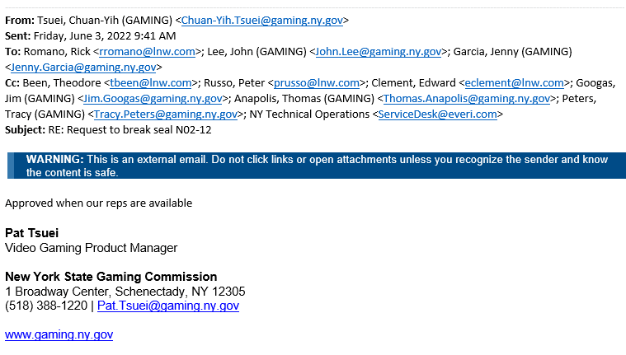
Ram Clear Process | Did you do an NVRAM clear, or full RAM clear? |  | Full RAM Clear.
Documentation
Key Consideration | Question |  | Explanation/Comments/Notes
EVERI Session History | Is a Session History attached for the incident? |  | N/A
EVERI Error Log | Was an Error Log supplied from EVERI? If so, please attach. |  | N/A
Machine Event History | Did you print the Error History from the device before RAM clearing? If so, please attach. |  | N/A
Digital Pictures | Did you take digital pictures of the back screen, Event History, Play History, etc.? If so, please attach. |  | N/A
Surveillance Tape | Is there any Surveillance Tape available that shows what occurred? (You must request this through NYGC.) |  | N/A
Revenue or Parts Loss
Key Consideration | Question |  | Explanation/Comments/Notes
Revenue Loss | Was there Revenue Loss? Estimate loss. |  | N/A
Parts Loss | Was there damage, causing part replacement? Provide an estimated cost of parts used. |  | N/A
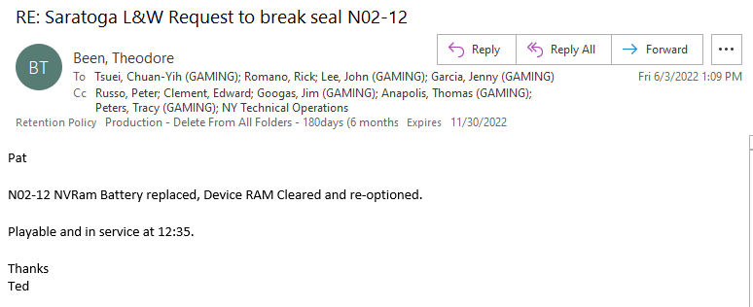
Location | Serial # | Device Name | Software | OS
N2-12 | VSM20418 | 2140212 | Vegas Star Craps (v2) V4DU0139 | W4NAS04G

